Information
With the support of

Guidelines for Corporate Plastic Stewardship case study

Information and contact

 | Introduction to the case study | This case study corresponds with Section 5 of the Guidelines for Corporate Plastic Stewardship, which is available for download at https://www.3rinitiative.org/guidelines-for-corporates. In this study, A fictional company, Ice Tea Co., sells 1 billion litres of bottled iced tea per year, typically in six-packs of one-litre PET bottles. Seventy percent of Ice Tea Co.'s sales are in the United States, and thirty percent are in China. The company has already performed as much lightweighting as possible. Ice Tea Co. has commited that its packaging will be Net 100% Recycled at End-of-Life by year Y. Plastic use in at different stages of the Ice Tea Co. value chain is illustrated in the figure below this box. Currently, a litre of Ice Tea Co. iced tea has the following packaging: • Primary packaging: one PET bottle weighs 20 grams (g); each bottle has a polypropylene (PP) lid that weighs 3 g; • Secondary packaging: 20 g low-density polyethylene (LDPE) per six-pack; and, • Tertiary packaging: 100 g LDPE per 1,000 litres (L). This case study demonstrates the accounting that can be performed for a baseline year X and a target year Y and the steps - both within and beyond the value chain - that Ice Tea Co. needs to make to achieve its commitment. It is intended for illustrative purposes only.

 | File information | This file has the following structure:
 |  | Metrics | Metrics for year X and year Y as reported in the Guidelines
 |  | Calculations | All background calculations

 | Have questions? Please contact: | Anna Kounina | anna.kounina@quantis-intl.com
 |  | Julien Boucher | julien.boucher@shaping-ea.com
 |  | Julianne Baroody | jbaroody@verra.org
 |  | Grace Blackham | grace.blackham@bvrio.org
 |  | René Mettler | r.mettler@southpole.com

Metrics
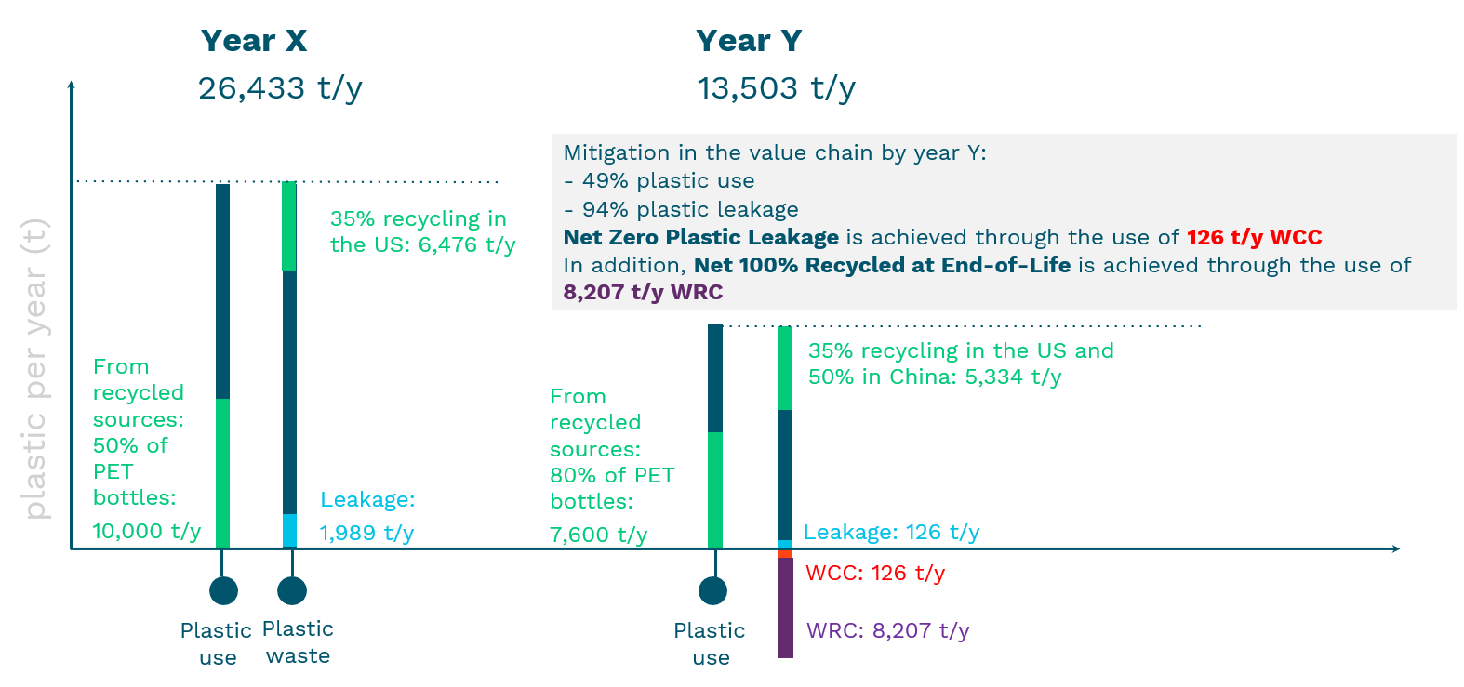
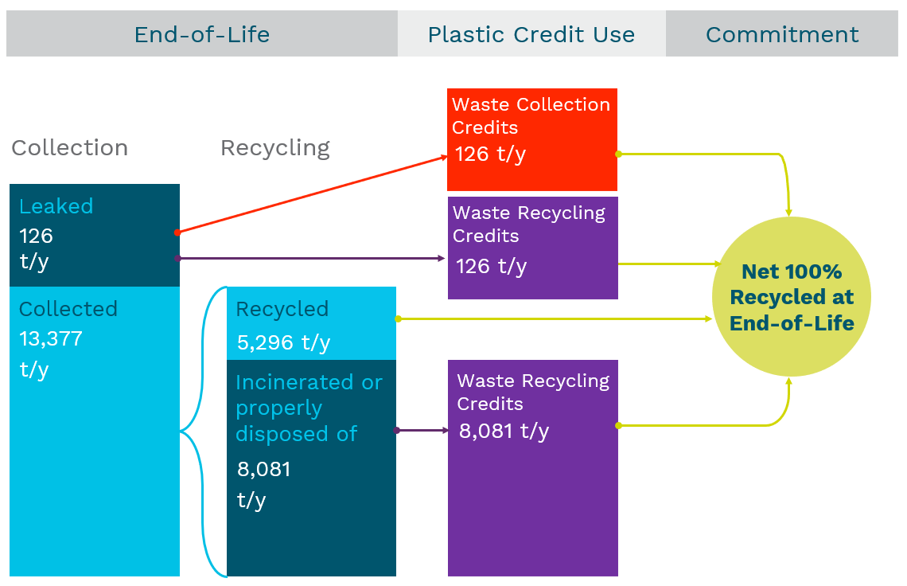
Corporate plastic accounting mandatory metrics

Plastic accounting metrics at baseline year X
 | Metric type | Metric name | Type of packaging | Value | Unit
 | Downstream macroplastic waste | Total plastic waste generated by downstream activities | Primary packaging
 |  |  | PET bottle | 20,000 | t/y
 |  |  | PP lid | 3,000 | t/y
 |  |  | Secondary packaging
 |  |  | LDPE film | 3,333 | t/y
 |  |  | Tertiary packaging
 |  |  | LDPE film | 100 | t/y
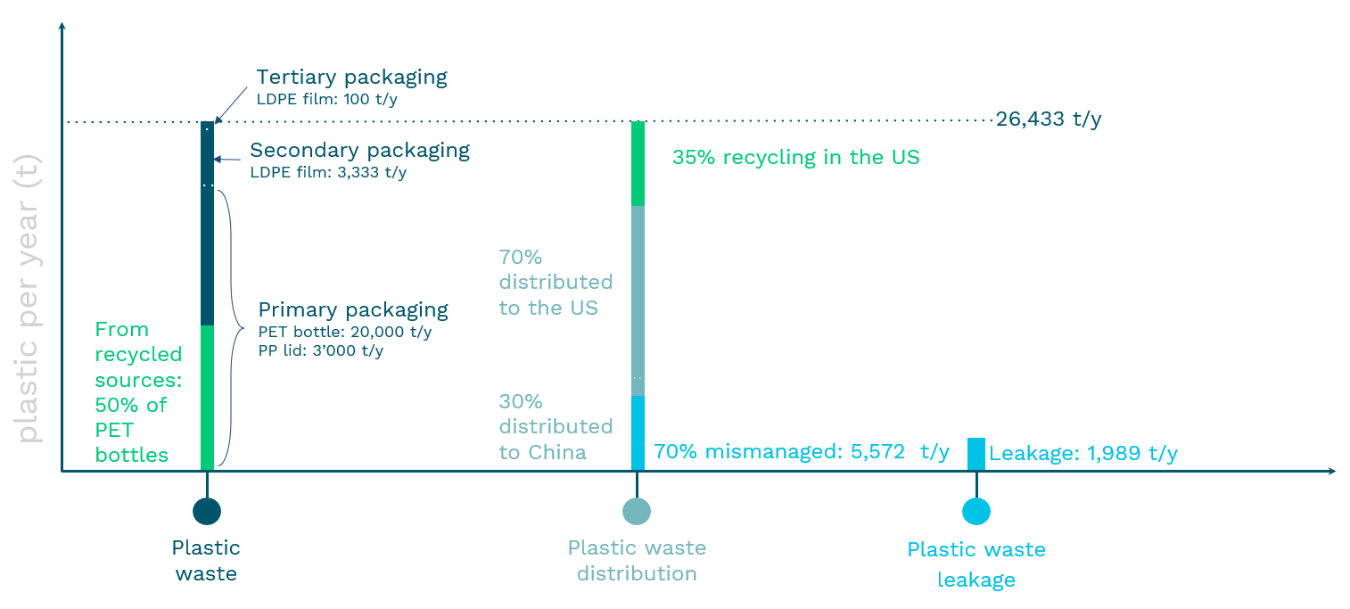
 |  |  | Total | 26,433 | t/y
 | Downstream macroplastic end-of-life | Recycled and non-recycled content of plastic waste generated by downstream activities | Primary packaging
 |  |  | PET bottle | 50%
 |  |  | PP lid | 0%
 |  |  | Secondary packaging
 |  |  | LDPE film | 0%
 |  |  | Tertiary packaging
 |  |  | LDPE film | 0%
 |  | Collected waste: share of landfill, incineration, recycling | US*
 |  |  | Incineration | 13% | Reference: World Bank (2018)
 |  |  | Landfill | 53%
 |  |  | Recycling | 35%
 |  |  | China*
 |  |  | Incineration | 28% | Reference: World Bank (2018)
 |  |  | Other | 3%
 |  |  | Mismanaged | 70%
 |  |  | Recycling | 0%
 |  | Mismanaged waste | US | - | t/y
 |  |  | China | 5,572 | t/y
 | Downstream macroplastic end-of-life leakage | Macroplastic leakage | PET bottle | 15% release rate due to PET high residual value (PET is likely to be collected through the informal system)
 |  |  | Other plastics | 100% release rate
 |  |  | Leakage | 1,989 | t/y
 | Credits | Waste Collection Credit (WCC) | No use of credits
 |  | Waste Recycling Credit
 | Commitments | Net Zero Plastic Leakage | No commitments
 |  | Net 100% Recycled at End-of-life
 |  | Net Circular Plastic
 | * Number roundings might lead the sum of waste treatment to slightly exceed 100%

Plastic accounting metrics at target year Y
 | Metric type | Metric name | Type of packaging | Value | Unit
 | Downstream macroplastic waste | Total plastic waste generated by downstream activities | Primary packaging
 |  |  | PET bottle | 9,500 | t/y
 |  |  | PP lid | 1,425 | t/y
 |  |  | Secondary packaging
 |  |  | LDPE film | 2,500 | t/y
 |  |  | Tertiary packaging
 |  |  | LDPE film | 78 | t/y
 |  |  | Total | 13,503 | t/y
 | Downstream macroplastic end-of-life | Recycled and non-recycled content of plastic waste generated by downstream activities | Primary packaging
 |  |  | PET bottle | 80%
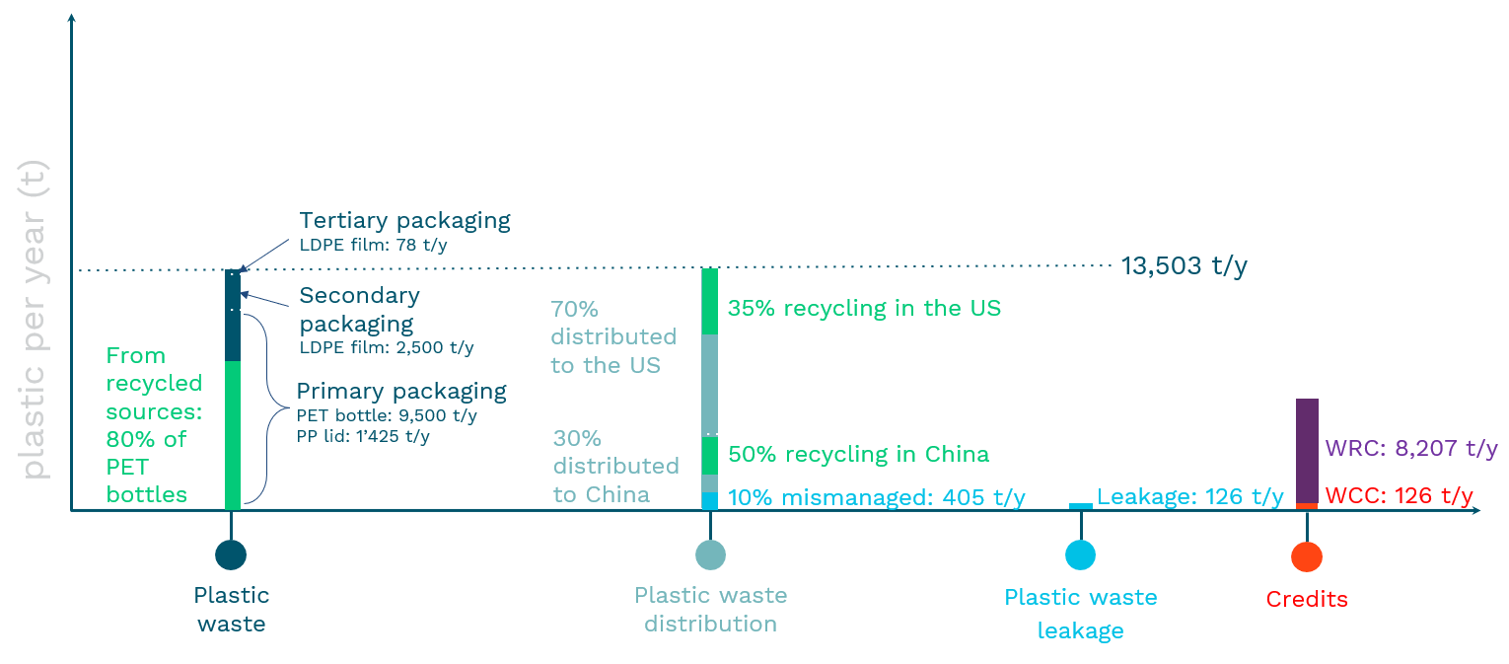
 |  |  | PP lid | 0%
 |  |  | Secondary packaging
 |  |  | LDPE film | 0%
 |  |  | Tertiary packaging
 |  |  | LDPE film | 0%
 |  | Collected waste: share of landfill, incineration, recycling | US*
 |  |  | Incineration | 13% | Reference: World Bank (2018)
 |  |  | Landfill | 53%
 |  |  | Recycling | 35%
 |  |  | China
 |  |  | Incineration | 28% | Updated with mitigation activities
 |  |  | Other | 12%
 |  |  | Mismanaged | 10%
 |  |  | Recycling | 50%
 |  | Mismanaged waste | US | 0% | t/y
 |  |  | China | 405 | t/y
 | Downstream macroplastic end-of-life leakage | Macroplastic leakage | PET bottle and PP lid | 15% release rate due to PET high residual value (PET is likely to be collected through the informal system) and the fact that the PP lid is not detachable
 |  |  | Other plastics | 100% release rate
 |  |  | Leakage | 126 | t/y
 | Credits | Waste Collection Credit | To Achieve Net Zero Plastic Leakage | 126 | t/y
 |  | Waste Recycling Credit | To Achieve Net 100% Recycled at End-of-Life | 8,207 | t/y
 | Commitments | Net Zero Plastic Leakage |  | Achieved
 |  | Net 100% Recycled at End-of-life |  | Achieved
 |  | Net Circular Plastic | Not achieved: progress with 80% recycled content in PET bottles. Could be achieved by using credits such as those being developed by the Recycled Material Standard.
 |  |  |  | 5,903 | t/y
 |  |  | Plastics with non-recycled content
 | * Number roundings might lead the sum of waste treatment to slightly exceed 100%

